2023 Athletic Order
Exhibit A - 2023 Athletic Summer Apparel |  |  |  |  |  |  |  |  |  |  |  |  |  |  |  |  |  |  |  |  |  |  |  |  | Exhibit A - 2023 Athletic Summer Apparel
Staff Tanks | Item | Color | Y- X-Small | Y-Small | Y-Medium | Y-Large | Y-Xlarge | A-X-Small | A-Small | A-Medium | A-Large | A-Xlarge | A-XXL | A-XXXL | Total | Price/Unit Youth Sizes | Price/Unit Adult Sizes XS-L | Price/Unit Adult - XL | Price/Unit Adult - XXL | Price/Unit Adult - XXXL | Total | Front Screen: | Back Screen: | Sleeve Screen: | Notes:
 | Sport-Tek Sleeveless PosiCharge Competitor LST352 | Silver (womens) | 0 | 0 | 0 | 0 | 0 | 0 | 17 | 31 | 20 | 5 | 2 | 0 | 75 |  |  |  |  |  | $- | 1 color - WHITE- "ADVENTURE GUIDE" center chest with PDHP Logo under | 1 color - WHITE - "STAFF" centered on back with "Park District of Highland Park" banner image under
 | Sport-Tek Sleeveless Posicharge Competitor ST352 | Silver (mens) | 0 | 0 | 0 | 0 | 0 | 0 | 3 | 28 | 20 | 13 | 2 | 0 | 66 |  |  |  |  |  | $- | 1 color - WHITE- "ADVENTURE GUIDE" center chest with PDHP Logo under | 1 color - WHITE - "STAFF" centered on back with "Park District of Highland Park" banner image under
 |  | Total | 0 | 0 | 0 | 0 | 0 | 0 | 20 | 59 | 40 | 18 | 4 | 0 | 141

Athletic Camps | Item | Color | Y- X-Small | Y-Small | Y-Medium | Y-Large | Y-Xlarge | A-X-Small | A-Small | A-Medium | A-Large | A-Xlarge | A-XXL | A-XXXL | Total | Price/Unit Youth Sizes | Price/Unit Adult Sizes XS-L | Price/Unit Adult - XL | Price/Unit Adult - XXL | Price/Unit Adult - XXXL | Total | Front Screen: | Back Screen: | Sleeve Screen:
 | Sport Tek (YST350 & ST350) | White | 0 | 25 | 25 | 15 | 10 | 0 | 5 | 0 | 0 | 0 | 0 | 0 | 80 |  |  |  |  |  | $- | 2 Color - BLUE + GOLD - Jr. Varisty Sport Camp Logo centered on chest | 1 color - BLUE - "Adventure Found" logo centered on back | 1 color- WHITE- "VoldMarcus" Logo on right sleeve
 | Sport Tek (YST350 & ST350) | White | 0 | 0 | 0 | 25 | 20 | 0 | 20 | 10 | 5 | 5 | 0 | 0 | 85 |  |  |  |  |  | $- | 2 Color - GREEN + GOLD - Varsity Sport Camp Logo centered on chest | 1 color - GREEN - "Adventure Found" logo centered on back | 1 color- WHITE- "VoldMarcus" Logo on right sleeve
 | Sport Tek (YST350 & ST350) | White | 0 | 21 | 35 | 30 | 5 | 0 | 21 | 15 | 12 | 0 | 0 | 0 | 139 |  |  |  |  |  | $- | 2 color- Blue (PMS534) & Lime green (PMS 380C) on center chest with Deer Creek Racquet Club Tennis Academy Logo | 1 color - BLUE (PMS534) - "Adventure Found" logo centered on back | 1 color- WHITE- "VoldMarcus" Logo on right sleeve
 | Sport Tek (YST350 & ST350) | White | 0 | 0 | 0 | 0 | 0 | 0 | 0 | 0 | 0 | 0 | 0 | 0 | 0 |  |  |  |  |  | $- | 2 Color- Black and Purple- Girls Play Strong Camp Logo centered on Chest | 1 Color- Black- "Adventure Found" logo centered on back | 1 color- WHITE- "VoldMarcus" Logo on right sleeve
 | Sport Tek (YST350 & ST350) | Kelly Green | 0 | 0 | 0 | 0 | 0 | 0 | 8 | 26 | 26 | 8 | 2 | 0 | 70 |  |  |  |  |  | $- | 1 color - WHITE- "ADVENTURE GUIDE" center chest with PDHP Logo under | 1 color - WHITE - "STAFF" centered on back with "Park District of Highland Park" banner image under | 1 color- WHITE- "VoldMarcus" Logo on right sleeve
 |  | Total | 0 | 46 | 60 | 70 | 35 | 0 | 46 | 25 | 17 | 5 | 0 | 0 | 304 |  |  |  |  |  | $-

Set-Up Charges | Screen set-up charges |  |  | Price Per Unit |  | Total |  | Notes:
 | One Color Front |  | 1 |  |  | $-
 | Two Color Front |  | 4 |  |  | $-
 | Sleeve Color Font |  | 1 |  |  | $-
 | 1 color back |  | 5 |  |  | $-
 | Total |  | 11
 | Delivery Charge:

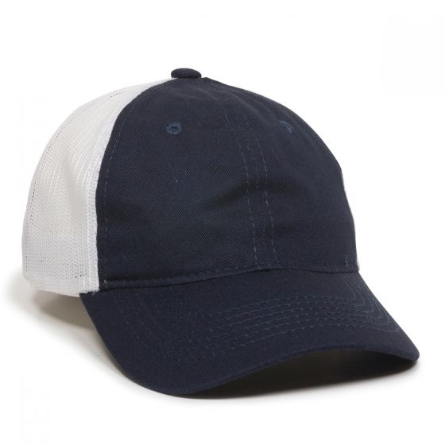
 |  |  | Total | Price Per Unit |  | Total |  | Front Screen:
HATS | 100 - FWT-130 Navy/white hats ADULT sizes only |  | 28 |  |  |  |  | PDHP Seal Logo (White) flat embroidered
 | Flat Embroidery (Hats) |  | 1
 | Total Cost |  | $-

 |  |  |  |  |  |  |  |  |  |  |  |  | Total Proposal: (including screen & Delivery charge) |  |  | $-

