2023 Cotton Order
Exhibit A - 2023 Summer Staff & Camper Apparel |  |  |  |  |  |  |  |  |  |  |  |  |  |  |  |  |  |  |  |  |  |  |  |  | Exhibit A - 2023 Summer Staff & Camper Apparel
Staff Apparel | Item | Color | Y- XS | Y-S | Y-M | Y-L | Y-XL | A-XS | A-S | A-M | A-L | A-XL | A-XXL | A-XXXL | Total | Price/Unit Youth Sizes | Price/Unit Adult Sizes XS-L | Price/Unit Adult - XL | Price/Unit Adult - XXL | Price/Unit Adult - XXXL | Total | Front Screen: | Back Screen: | Sleeve Screen: | Notes:
 | Staff T-shirt AVIL 980 | Irish Green | 0 | 0 | 0 | 0 | 0 | 0 | 40 | 106 | 85 | 28 | 7 | 0 | 266 |  |  |  |  |  | $- | 1 color - WHITE- "ADVENTURE GUIDE" center chest with PDHP Logo under | 1 color - WHITE - "STAFF" centered on back with "Park District of Highland Park" banner image under | 1 color- WHITE- "VoldMarcus" Logo on right sleeve
 | Hooded Sweatshirt 9 oz 50/50 Dry/Blend | Irish Green | 0 | 0 | 0 | 0 | 0 | 0 | 33 | 64 | 84 | 32 | 7 | 0 | 220 |  |  |  |  |  | $- | 1 color - WHITE- "ADVENTURE GUIDE" center chest with PDHP Logo under | 1 color - WHITE - "STAFF" centered on back with "Park District of Highland Park" banner image under
 | Hooded Sweatshirt 50% cotton, 50% polyester blend 9 oz. min. | Royal Blue | 0 | 0 | 0 | 0 | 0 | 0 | 0 | 4 | 6 | 6 | 2 | 0 | 18 |  |  |  |  |  | $- | 1 color - WHITE – “PDHP Logo” logo on left chest | 1 color - WHITE – “Adventure Found” logo
 | Staff T-shirt AVIL 980 | Royal Blue | 0 | 0 | 0 | 0 | 0 | 0 | 0 | 8 | 12 | 12 | 6 | 0 | 38 |  |  |  |  |  | $- | 1 color - WHITE – “PDHP Logo” logo on left chest | 1 color - WHITE – “Adventure Found” logo
 | Total | Total | 0 | 0 | 0 | 0 | 0 | 0 | 73 | 182 | 187 | 78 | 22 | 0 | 542 |  |  |  |  |  | $-

Camper Apparel | Item | Color | Y- XS | Y-S | Y-M | Y-L | Y-XL | A-XS | A-S | A-M | A-L | A-XL | A-XXL | A-XXXL | Total | Price/Unit Youth Sizes | Price/Unit Adult Sizes XS-L | Price/Unit Adult - XL | Price/Unit Adult - XXL | Price/Unit Adult - XXXL | Total | Front Screen: | Back Screen: | Sleeve Screen:
 | Gildan 50/50 Dry/Blend 5.6 Oz | Forest Green | 0 | 0 | 24 | 9 | 0 | 0 | 6 | 11 | 6 | 0 | 0 | 0 | 56 |  |  |  |  |  | $- | 1 color - CREAM - "Trekkers" Logo Screen on Center | 1 color - CREAM - "Adventure Found" logo centered on back | 1 color- WHITE- "VoldMarcus" Logo on right sleeve
 | Jerzees Dry-Power Active Youth 50/50 5.6oz | Gold | 0 | 35 | 20 | 2 | 0 | 0 | 0 | 1 | 0 | 0 | 0 | 0 | 58 |  |  |  |  |  | $- | 1 color - BLACK - "Camp Sunshine" with PDHP Logo White Screen on Center | 1 color - BLACK - "Adventure Found" logo centered on back | 1 color- WHITE- "VoldMarcus" Logo on right sleeve
 | Gildan 50/50 Dry/Blend 5.6 Oz | Carolina Blue | 10 | 60 | 50 | 5 | 0 | 0 | 0 | 0 | 0 | 0 | 0 | 0 | 125 |  |  |  |  |  | $- | 1 color - WHITE - "Junior Crew" logo centered on chest | 1 color - WHITE - "Adventure Found" logo centered on back | 1 color- WHITE- "VoldMarcus" Logo on right sleeve
 | Gildan 50/50 Dry/Blend 5.6 Oz | Red | 0 | 20 | 50 | 50 | 0 | 0 | 0 | 0 | 0 | 0 | 0 | 0 | 120 |  |  |  |  |  | $- | 1 color - WHITE - "Senior Crew" logo centered on chest | 1 color - WHITE- "Adventure Found" logo centered on back | 1 color- WHITE- "VoldMarcus" Logo on right sleeve
 | Gildan 50/50 Dry/Blend 5.6 Oz | Orange | 0 | 0 | 15 | 25 | 2 | 0 | 0 | 0 | 0 | 0 | 0 | 0 | 42 |  |  |  |  |  | $- | 1 color - WHITE - "Senior Crew XL " logo centered on chest | 1 color - WHITE - "Adventure Found" logo centered on back | 1 color- WHITE- "VoldMarcus" Logo on right sleeve
 | Gildan 500B Heavy Cotton 5.3 oz/yd | Graphite Heather | 0 | 40 | 40 | 16 | 0 | 0 | 16 | 8 | 4 | 0 | 0 | 0 | 124 |  |  |  |  |  | $- | 1 color - ROYAL BLUE - "Take The Stage" logo centered on chest | 1 color - ROYAL BLUE - "Adventure Found" logo centered on back | 1 color- WHITE- "VoldMarcus" Logo on right sleeve
 | Gildan 50/50 Dry/Blend 5.6 Oz | White | 0 | 40 | 10 | 2 | 0 | 0 | 2 | 0 | 0 | 0 | 0 | 0 | 54 |  |  |  |  |  | $- | 1 color - ROYAL BLUE - "High Tide Low Tide" Logo on Center | 1 color - ROYAL BLUE - "Adventure Found" logo centered on back | 1 color- WHITE- "VoldMarcus" Logo on right sleeve
 | Gildan 500B Heavy Cotton 5.3 oz/yd | White (prepped dye shirt) | 0 | 40 | 40 | 16 | 0 | 0 | 22 | 34 | 30 | 12 | 2 | 0 | 196 |  |  |  |  |  | $- | 1 color - BLACK - "Take The Stage" script | 1 color - BLACK - There's No Place Like Camp | 1 color- WHITE- "VoldMarcus" Logo on right sleeve
 | Gildan 50/50 Dry/Blend 5.6 Oz | Gray | 0 | 0 | 0 | 4 | 0 | 0 | 5 | 11 | 5 | 1 | 0 | 0 | 26 |  |  |  |  |  | $- | 1 Color - ROYAL BLUE - "OAC" Logo Screen on Center | 1 color - ROYAL BLUE - "Adventure Found" logo centered on back | 1 color- WHITE- "VoldMarcus" Logo on right sleeve
 | Gildan 50/50 Dry/Blend 5.6 Oz | Kelly Green | 0 | 4 | 20 | 10 | 0 | 0 | 6 | 4 | 2 | 0 | 0 | 0 | 46 |  |  |  |  |  | $- | 1 color - BLACK - "Into the Wild" Logo on Center | 1 color - BLACK - "Adventure Found" logo centered on back | 1 color- WHITE- "VoldMarcus" Logo on right sleeve
 | Gildan 50/50 Dry/Blend 5.6 Oz | Tenessee Orange | 0 | 24 | 36 | 36 | 0 | 0 | 24 | 16 | 12 | 0 | 0 | 0 | 148 |  |  |  |  |  | $- | 1 color - WHITE - " S.P.O.T" logo center chest (White) | 1 color - WHITE - "Adventure Found" logo centered on back | 1 color- WHITE- "VoldMarcus" Logo on right sleeve
 | Comfort Colors Heavyweight Color Blast Adult Tee #1745 | Fern | 0 | 0 | 10 | 10 | 0 | 0 | 10 | 16 | 10 | 4 | 0 | 0 | 60 |  |  |  |  |  | $- | 1 color - WHITE - " C.I.T" logo center chest (White) | 1 color - WHITE - "Adventure Found" logo centered on back | 1 color- WHITE- "VoldMarcus" Logo on right sleeve
 | Total | Total | 10 | 289 | 299 | 161 | 12 | 0 | 79 | 91 | 57 | 17 | 2 | 0 | 1225 |  |  |  |  |  | $-

Parks Apparel | Item | Color | Y- XS | Y-S | Y-M | Y-L | Y-XL | A-XS | A-S | A-M | A-L | A-XL | A-XXL | A-XXXL | Total | Price/Unit Youth Sizes | Price/Unit Adult Sizes XS-L | Price/Unit Adult - XL | Price/Unit Adult - XXL | Price/Unit Adult - XXXL | Total | Front Screen: | Back Screen:
 | Hooded Sweatshirt 50% cotton, 50% polyester blend 9 oz. min. | Royal Blue | 0 | 0 | 0 | 0 | 0 | 0 | 0 | 15 | 10 | 20 | 15 | 10 | 70 |  |  |  |  |  | $- | 1 color - WHITE - PDHP Logo on left chest with "STAFF" under the logo | N/A
 | Crew Neck Sweatshirt 50% cotton, 50% polyester blend 9 oz. min. | Royal Blue | 0 | 0 | 0 | 0 | 0 | 0 | 0 | 0 | 0 | 0 | 0 | 0 | 0 |  |  |  |  |  | $- | 1 color - WHITE - PDHP Logo on left chest with "STAFF" under the logo | N/A
 | Long Sleeve t-shirt 100% cotton 6oz min to 7oz max | Medium Gray | 0 | 0 | 0 | 0 | 0 | 0 | 0 | 0 | 20 | 15 | 15 | 5 | 55 |  |  |  |  |  | $- | 1 color - NAVY BLUE - PDHP Logo on left chest with "STAFF" under the logo | N/A
 | t-shirt 100% cotton 5oz min to 6oz max | Medium Gray | 0 | 0 | 0 | 0 | 0 | 0 | 0 | 10 | 30 | 10 | 15 | 5 | 70 |  |  |  |  |  | $- | 1 color - NAVY BLUE - PDHP Logo on left chest with "STAFF" under the logo | N/A
 | Total | Total | 0 | 0 | 0 | 0 | 0 | 0 | 0 | 25 | 60 | 45 | 45 | 20 | 195 |  |  |  |  |  | $-

Set-Up Charges | Screen set-up charges |  |  | Price Per Unit |  | Total |  | Notes:
 | One Color Front |  | 16 |  |  | $-
 | Sleeve One Color Font |  | 1 |  |  | $-
 | 1 color back |  | 7 |  |  | $-
 | 2 color back |  |  |  |  | $-
 | Total |  | 24 |  |  | $-
 | Delivery Charge:
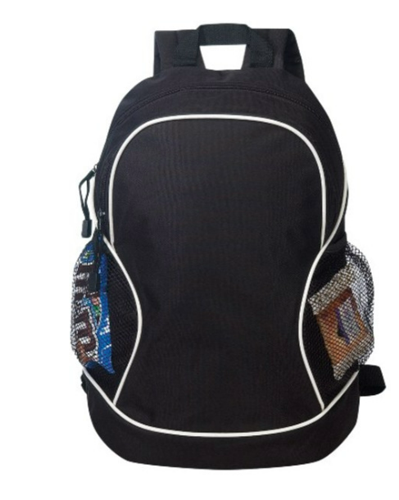
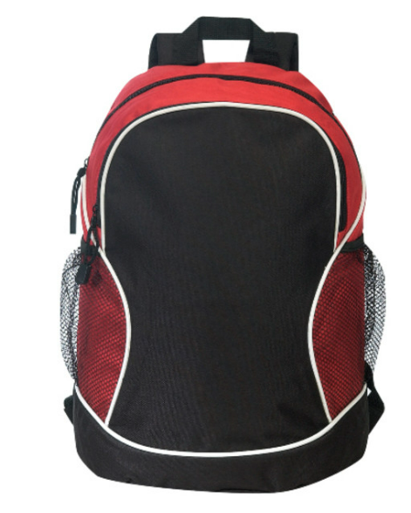
 | Camper Backpacks | Total | Price Per Unit |  | Total |  | Front Screen: |  |  |  |  |  |  | Required Style (both colors must be quoted on the same style):
Backpacks | Black | 402 |  |  | $- |  | PDHP Camp/ Rosen Logo on name plate (white on front pocket) |  |  |  |  |  |  | Champ Heavy Duty Backpack
 | Red (FIRST AID) | 17 |  |  | $- |  | PDHP Logo on name plate (white on front pocket) |  |  |  |  |  |  | Champ Heavy Duty Backpack
 | Screen cost (1 color Front) | 1 |  |  | $-
 | Backpack total Cost | $-

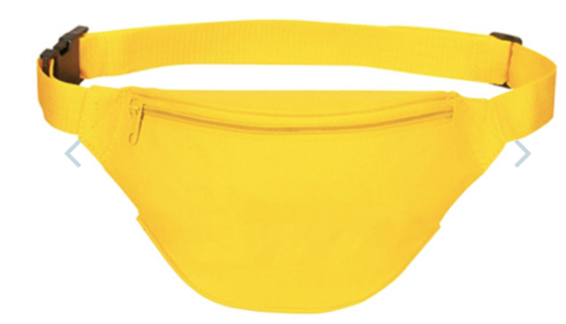
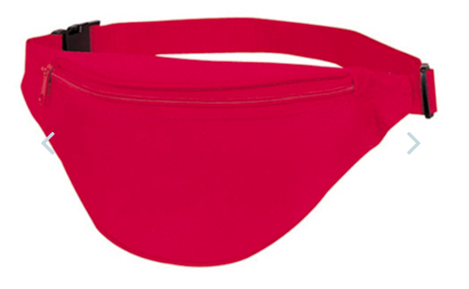
 | Counselor Fanny Packs | Total | Price Per Unit |  | Total |  | Front Screen: |  |  |  |  |  |  | Required Style (both colors must be quoted on the same style):
Fanny Packs | Neon Yellow (Medication) | 18 |  |  | $- |  | PDHP Logo (white on front pocket) |  |  |  |  |  |  | Two zippered Fanny Pack SKU 9909-01
 | Red (First Aid) | 19 |  |  | $- |  | PDHP Logo (white on front pocket) |  |  |  |  |  |  | Two Zippered Fanny Pack SKU 9909-01
 | Screen cost (1 color Front) | 1 |  |  | $-
 | Fanny Pack total Cost | $-

 |  |  |  |  |  |  |  |  |  |  |  |  | Total Proposal: (including screen & Delivery charge)
 |  |  |  |  |  |  |  |  |  |  |  |  |  |  |  | $0.00

